1
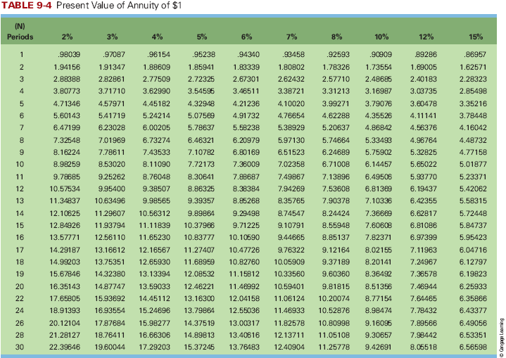
Ewing Corp issued $4.0M worth of 20-year bonds on January 1st, 2013. The bond requires semiannual interest payments (on January 1st and July 1st) with an interest rate of 5%. The market rate was 5% at the time of the issuance. 1. Did Ewing receive any more or less than the face value of the bonds? Why or why not? 2. How much will Ewing pay in interest when the first payment is due? 3. Assume Ewing’s fiscal year ends on December 31st. How much is interest expense and interest payable on the 31st?

1 | At Par. MR = SR |  | 4000000
 |  |  | SR | 5%
2 | 100000 |  | MR | 5%
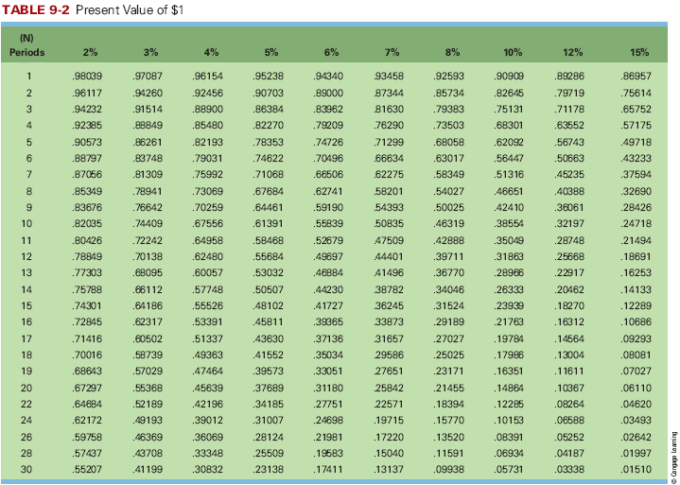
 |  |  | Semi Annual | 40 | Terms
3 | IE | 200000
 | IP | 100000

